Additional info
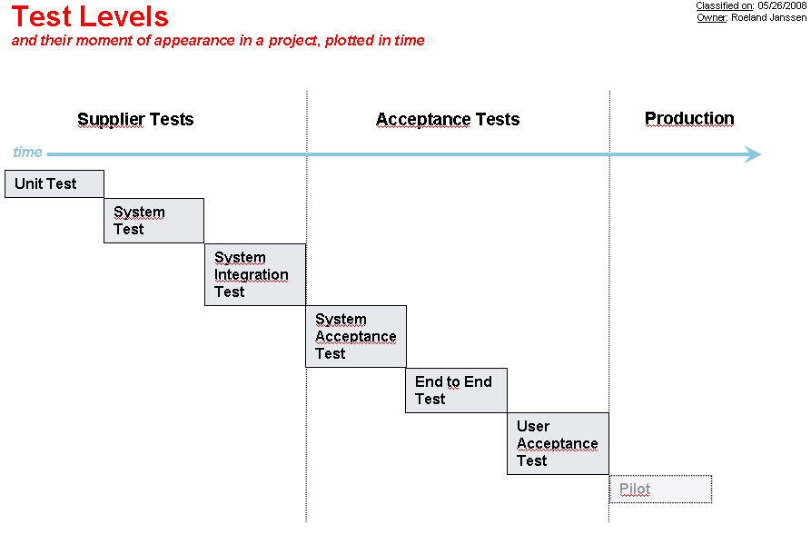
Test plan / results overview (used as input for CAB meeting)

Remedy change number

